Fish excretion
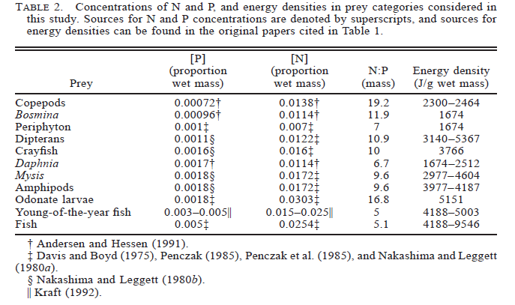
MODELS | Solving for F prey proportion of wet mass comprised of P using Schindler & Eby (1997) | L222 | L239 |  |  | PARAMETERS | Temperature | L222 | L239 | Notes
X = per capita P excretion (g P/d) | 2012 | 0.0056129069477 | 0.014433249645 |  |  |  | 2012 | 19 | 17 | did not have any data for 2012 so generated random number between 16 and 20 (RANDBETWEEEN(), temp range for 2014/2015), then had to fix them because kept changing
B = wet mass | 2014 | 0.0068548833652 | 0.012405240927 |  | 30 |  | 2014 | 17 | 18
F = prey proportion of wet mass comprised of P | 2015 | 0.011972607948 | 0.013790434357 |  |  |  | 2015 | 20 | 16
T = temperature
 | Solving for log per capita P excretion using Schindler & Eby (1997) | L222 | L239 |  |  |  | Wet mass | L222 | L239
 | 2012 | -3.5468880255 | -3.284786 |  |  |  | 2012 | 3.55 | 1
 | 2014 | -3.434307422 | -3.4743250545 |  |  |  | 2014 | 3.85 | 0.99
 | 2015 | -3.439023928 | -3.4438629607 |  |  |  | 2015 | 1.04 | 0.68

 | Solving for per capita P excretion (g P/d) using Schindler & Eby (1997) | L222 | L239 |  |  |  | Dry mass | L222 | L239
 | 2012 | 0.00028386508255 | 0.00051905574231 |  |  |  | 2012 | 0.65 | 0.25
 | 2014 | 0.00036786848013 | 0.00033548642021 |  |  |  | 2014 | 0.96 | 0.25
 | 2015 | 0.00036389498636 | 0.00035986287001 |  |  |  | 2015 | 0.26 | 0.17

 | Solving for log10 P excretion (ug P/h) using Mcintyre and Vanni (2017) | L222 | L239 |  |  |  | P excretion (ug P/h, raw value) | L222 | L239 |  | P excretion (g P/d, raw value) | L222 | L239
 | 2012 | 1.4408837945 | 1.1673748689 | invert/invert |  |  | 2012 | 10.85 | 23.82 |  | 2012 | 0.0002604 | 0.00057168
D = dry mass | 2014 | 1.4978726094 | 1.1867748689 | invert/invert |  |  | 2014 | 14.84 | 15.3 |  | 2014 | 0.00035616 | 0.0003672
 | 2015 | 1.2352089256 | 1.0532419099 | invert/invert |  |  | 2015 | 15.07 | 14.31 |  | 2015 | 0.00036168 | 0.00034344
Log10 P = 0.6757 + 0.5656 x log10(D) + 0.0194 x log10(T) - 0.2480 [or -0.0337 or -0.4525] + 0.7504
 |  |  |  |  |  |  | P excretion (mass-corrected ug P/g/h, from the emmeans model in Rstudio) | L222 | L239 |  | P excretion (mass-corrected g P/g/d) | L222 | L239
 | Solving for P excretion (ug P/h) using Mcintyre and Vanni (2017) | L222 | L239 |  |  |  | 2012 | 20 | 103.7 |  | 2012 | 0.00048 | 0.0024888
 | 2012 | 27.60 | 14.70 |  |  |  | 2014 | 17.7 | 67.1 |  | 2014 | 0.0004248 | 0.0016104
 | 2014 | 31.47 | 15.37 |  |  |  | 2015 | 67.2 | 85.6 |  | 2015 | 0.0016128 | 0.0020544
 | 2015 | 17.19 | 11.30
 |  |  |  |  |  |  |  |  |  |  | P excretion (mass-corrected mg P/mg C/d) | L222 | L239
 | Solving for log10 SE P excretion (ug P/h) using Mcintyre and Vanni (2017) | L222 | L239 |  |  |  |  |  |  |  | 2012 | 0.00096 | 0.0049776
 | 2012 | 0.11796472381 | 0.10545777018 |  |  |  |  |  |  |  | 2014 | 0.0008496 | 0.0032208
 | 2014 | 0.11743656028 | 0.10745777018 |  |  |  |  |  |  |  | 2015 | 0.0032256 | 0.0041088
 | 2015 | 0.11180695363 | 0.10002420289

 | Solving for SE P excretion (ug P/h) using Mcintyre and Vanni (2017) | L222 | L239
 | 2012 | 1.31 | 1.27
 | 2014 | 1.31 | 1.28
 | 2015 | 1.29 | 1.26

 | Solving for per capita P excretion (g P/d) using Mcintyre and Vanni (2017) | L222 | L239
 | 2012 | 0.00066236143174 | 0.00035284674108
 | 2014 | 0.00075523803067 | 0.00036896579831
 | 2015 | 0.00041249640443 | 0.00027130209765

 | Solving for log10 N excretion (ug P/h) using Mcintyre and Vanni (2017) | L222 | L239
 | 2012 | 2.3795327359 | 2.0464909659 | invert/invert
 | 2014 | 2.4461735234 | 2.0710909659 | invert/invert
 | 2015 | 2.13194177 | 1.9073270622 | invert/invert
Log10 N = 1.461 + 0.684 x log10(D) + 0.0246 x log10(T) - 0.2013 [or -0.0537 or -0.1732] + 0.7804
 | Solving for log10 SE N excretion (ug P/h) using Mcintyre and Vanni (2017) | L222 | L239
 | 2012 | 0.10138856641 | 0.091243538153
 | 2014 | 0.10158620082 | 0.092643538153
 | 2015 | 0.095745028259 | 0.086878945908

 | Solving for N excretion (ug P/h) using Mcintyre and Vanni (2017) | L222 | L239
 | 2012 | 239.63 | 111.30
 | 2014 | 279.37 | 117.79
 | 2015 | 135.50 | 80.78

 | Solving for SE N excretion (ug P/h) using Mcintyre and Vanni (2017) | L222 | L239
 | 2012 | 1.26 | 1.23
 | 2014 | 1.26 | 1.24
 | 2015 | 1.25 | 1.22

 | Solving for per capita P excretion (mg P/mg/d) using Narr & Frost (2015) mass balance model for P-limited animals | L222 | L239
 | 2012 | 0.000084 | 8.9032258065E-05
 | 2014 | 0.00072333333333 | 0.0027486666667
 | 2015 | 0.00868 | 0.0035805

From Frost et al (2006): Ic_max = 0.03 mg C/mg C/day
From Frost et al (2003): Benthic invertebrates mean C:P = 148
mg C: mg P? | Benthic invertebrates P:C calculation | 0.01 | 0.0038709677419
From Schindler and Eby (1997): Ap = 0.72 |  | 0.025833333333 | 0.012916666667
 |  | 0.025833333333 | 0.012916666667

 | Solving for per capita P excretion (mg P/mg/d) using Narr & Frost (2015) mass balance model for C-limited animals

From Tanner et al. (2000), YP body P:C = 0.025
0.024586118713 | Pex = (Ic*fP:C*Ap)-(Ic*Ac-Rc)*QP:QC | 0.000716 | 0.000779
15.744525547 |  | 0.001058
40.673357664
From respiration rate Rc =
From Paul Frost, Ac = 0.5

